Instruction
Intruction
1 | Please enter the total number of expert panels in this yellow box | 12
2 | Go to sheet 2 ("Likert"), and enter your data.
 | Row (item name example Q1, Q2, Q3…)
 | Column (add your expert number)
3 | See the sheet 3 ("TFN") to see the triangular fuzzy number for each items by each panel expert.
4 | See sheet 4 ("treshold-d") for treshold d number for each item, average d, percentage agreement and average fuzzy score
5 | See the last sheet "summary" for overall result

The steps for calcaultion fuzzy Delphi as below
This calculation based on triangular fuzzy number from 7 likert scale

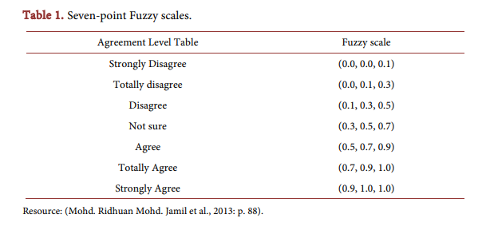
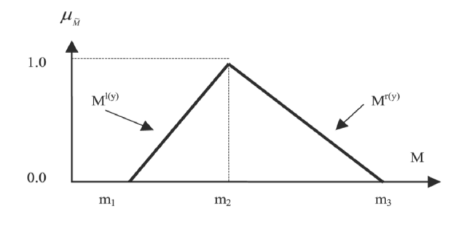
Steps
1 | Convert likert scale into triangular fuzzy number as shown in table 1 above (Refer to sheet 3 "TFN" how to convert)

 | The TFN is expressed in the form (m1, m2, m3), where m1 is the minimum, m2 is the acceptable value, and m3 is the maximum value.

2 | a) Calculate the treshold d value for each Item per expert panel, then calculate average d value (Refer to sheet 3 "treshold_").
 | d should be |  | * a value of d ≤ 0.2 indicates a substantial consensus or agreement among all experts regarding the item1,2

 | where formula for d as below; |  | 1. Cheng CH, Lin Y. Evaluating the best main battle tank using fuzzy decision theory with linguistic criteria evaluation. Eur J Oper Res. 2002;142(1):174–86.
 |  |  | 2. Chen CT. Extensions of the TOPSIS for group decision-making under fuzzy environment. Fuzzy Sets Syst. 2000;114(1):1–9.

 | b) Calculate total percentage agreement for each item;
 |  |  | *Traditionally, if the expert group agreement exceeds 75%, it is considered accepted3,4
 | total (d<0.2)/ total experts
 |  |  | 3. Murray TJ, Pipino LL, Van Gigch JP. A pilot study of fuzzy set modification of Delphi. Human Systems Management. 1985;5(1):76–80.
 | e.g., among 10 expert, 9 of them have d value < 0.2. |  | 4. Chu HC, Hwang GJ. A Delphi-based approach to developing expert systems with the cooperation of multiple experts. Expert Syst Appl. 2008;34(4):2826–40.
 | so total percent agreement = 9/10 = 90%

3 | Fuzzy evaluation process. Calculate for average of fuzzy number or score fuzzy (A) using formula below.
 |  |  | *The second condition involves the Defuzzification Process, where the fuzzy (A) score value is determined based on the α-cut value of 0.5. If the fuzzy score value (A) is equal to or greater than 0.5, the measured item is accepted; if it falls below 0.5, the item is rejected5,6

 |  |  | 5. Tang CW, Wu CT. Obtaining a picture of undergraduate education quality: a voice from inside the university. High Educ (Dordr). 2010;60:269–86.
 | The score must be more than 0.5 |  | 6. Bodjanova S. Median alpha-levels of a fuzzy number. Fuzzy Sets Syst. 2006;157(7):879–91.

 | Suggested reference:

 | Wan Shakira, R. H. (2024). Fuzzy Delphi Method for 7 point Likert scale. [Spreadsheet file]. Retrieved from https://github.com/shakirarodzlan/Constructing-DAG.git

